match analysis
TIME | TEAM | PHASE | EVENT | PLAYER | WHAT HAPPENED ? | TACTICAL MEANING | SCREENSHOT
1:15:00 | BRAZIL |  | CROSS | Vinicius Jr. | Vini attacks left flank --> cross--> India clears. | Brazil used width to progress through the left flank.

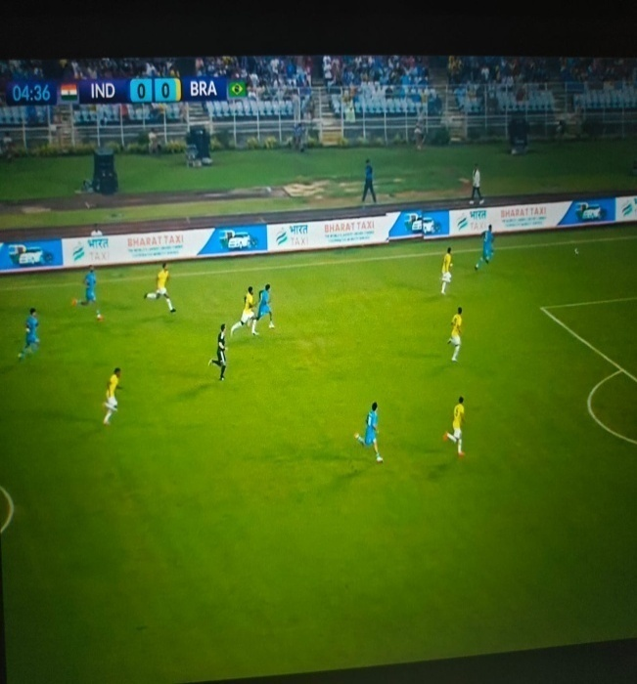
4:31:00 | INDIA |  | ATTACK | Ashique .q | masque receive from polar -->cross -->brazil clears. | India attempted to progress through the wide area and deliver into the box.

5:59:00 | INDIA |  | SET PIECE/CHANSE | Apuia | Thapa's corner cleared -->Indian shot narrowly misses | India showed good second ball reaction after the corner and created a follow up chance. | 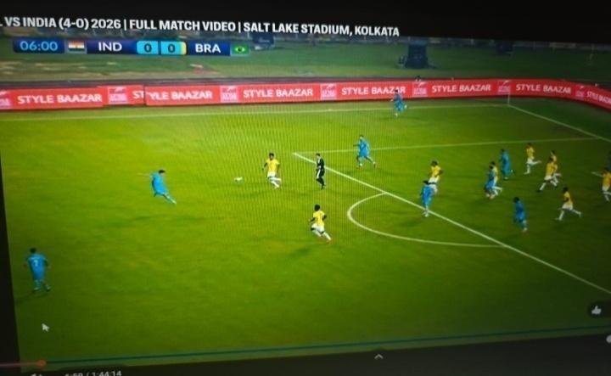

6:44:00 | BRAZIL |  | ATTACK | Vinicius Jr. | long ball finds Vini -->shot saved by A.Thapa | brazil used direct play to exploit space behind India's defensive line. | 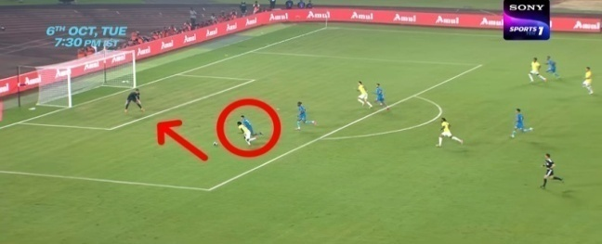

7:39:00 | BRAZIL |  | ATTACK | Vinicius Jr. | vini receives --> attacks -->attacks -->shot saved by Gurpreet Singh sandhu | 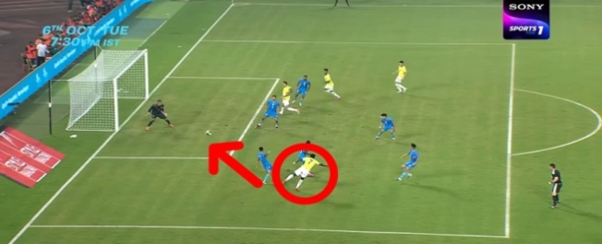 brazil used Vini's attacking threat to create a shooting opportunity.

12:16:00 | INDIA |  | ATTACK | Manvir Singh | Manvir receives -->crosses into the box -->Brazil clears. | 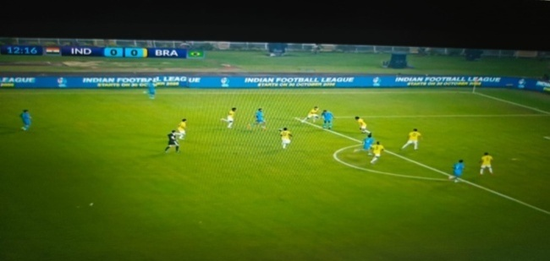 India used the wide area to create an attacking opportunity .

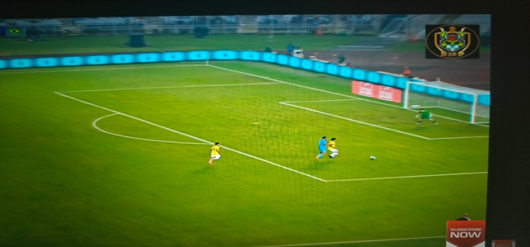
14:32:00 | INDIA |  | ATTACK | Manvir Singh | Direct long ball finds Manvir -->shot goes over. | India used direct play to exploit space behind the defense

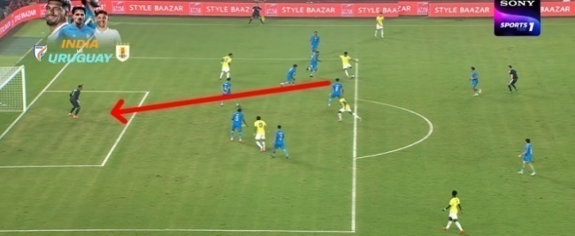
27:50 | BRAZIL |  | ATTACK | ESTEVAO | Brazil attack from the right -->cross into the box -->India clears. | Brazil used width and crosses to create opportunities and scored a goal .

35:11 | BRAZIL |  | ATTACK | PEDRO | Pedro receives a cross--> heads towards goal --> ball hit on the goalkeeper side left pole | Brazil used individual monument to penetrate India's defensive line. | 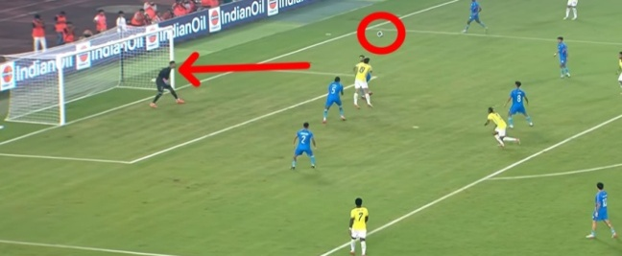

41:111 | BRAZIL |  | SET PIECE | PEDRO | Pedro receives in the box--> get pass the defender ->shot saved by gurpreet | Brazil created a scoring opportunity from a set piece and scored a 2nd goal. | 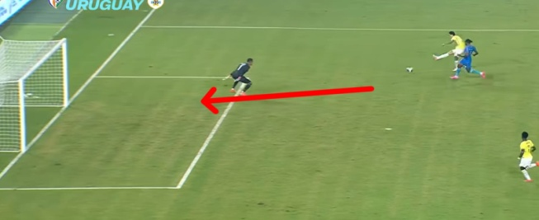

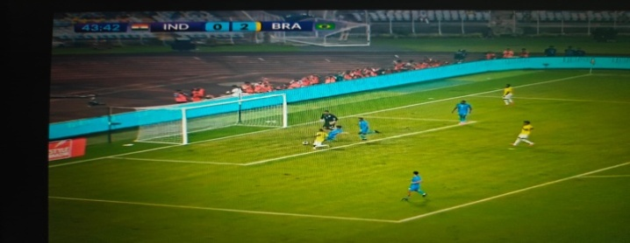
43:422 | BRAZIL |  | SET PIECE | Vinicius Jr. | vini makes the run and pas --> andrev miss the goal | brazil got another chance but it was save by gurpreet and clear by apuia .

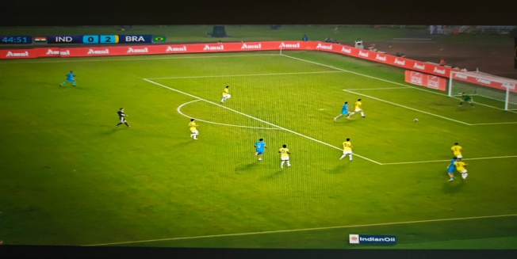
44:53:00 | INDIA |  | ATTACK | Ryan.w | Ryan play individually | Ryan put the cross into the box but their were Indian player .

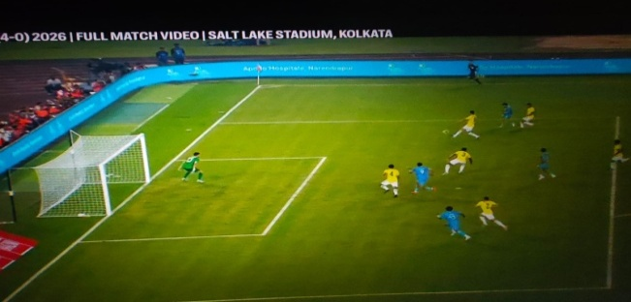
52:40:00 | INDIA |  | ATTACK | Ryan's | Ryan receives in the box -->shoots--->brazil goalkeeper saves . | India created a chance by getting the ball into the penalty area.

54:09:00 | INDIA |  | ATTACK | Manvir Singh | Manvir receives against the defense -->shoots-->goalkeeper saves . | 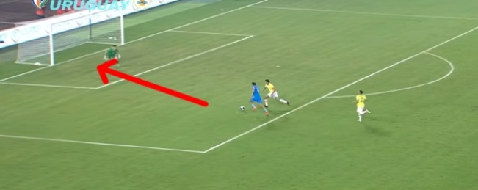 India use direct attacking play to test the goalkeeper .

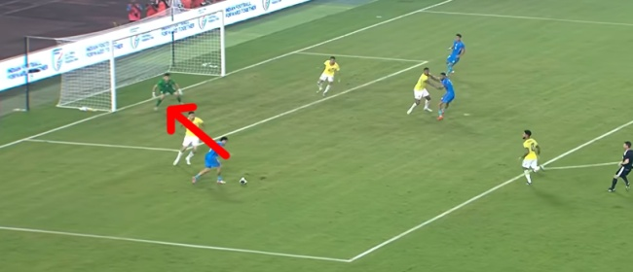
62:59:00 | INDIA |  | ATTACK | Ryan's | Ryan's wins the ball -->turns towards goal -->shot saved. | India created a chance by winning possession in an advanced area.

66:28:00 | INDIA |  | ATTACK | Ryan's | Ryan's wins the ball -->turns towards goal -->assist to manvir --> manvir pass back to Ryan -->Ryan miss the target . | Ryan makes an amazing assist to manvir .manvir makes the run and he pass to Ryan and he miss the chance . | 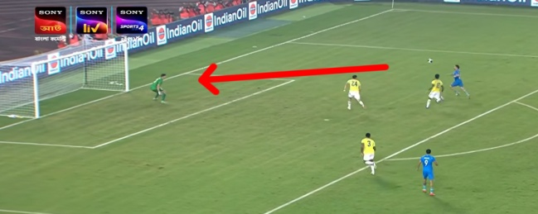

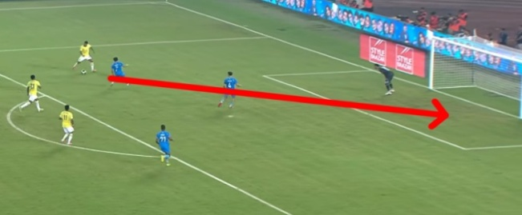
94:46:00 | BRAZIL |  | ATTACK | SAMUEL LINO | Samuel makes the run --> taken the chance --> and goal | samuel took the chance and scored the third goal for brazil.

